AFTER FILETR
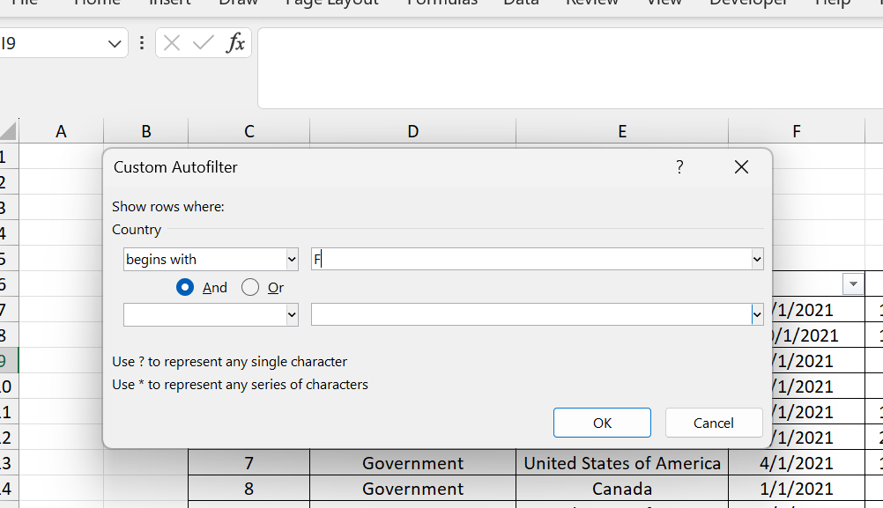

ID | Segment | Country | Date | Profit
5 | Government | France | 2021-09-01 | 135801
25 | Channel Partners | France | 2021-09-01 | 60921
31 | Channel Partners | France | 2021-08-01 | 87532
34 | Midmarket | France | 2021-07-01 | 57399
57 | Government | France | 2021-07-01 | 96209
99 | Midmarket | France | 2021-09-01 | 147727
100 | Enterprise | France | 2021-08-01 | 109849
113 | Enterprise | France | 2021-07-01 | 26819
138 | Government | France | 2021-07-01 | 44394
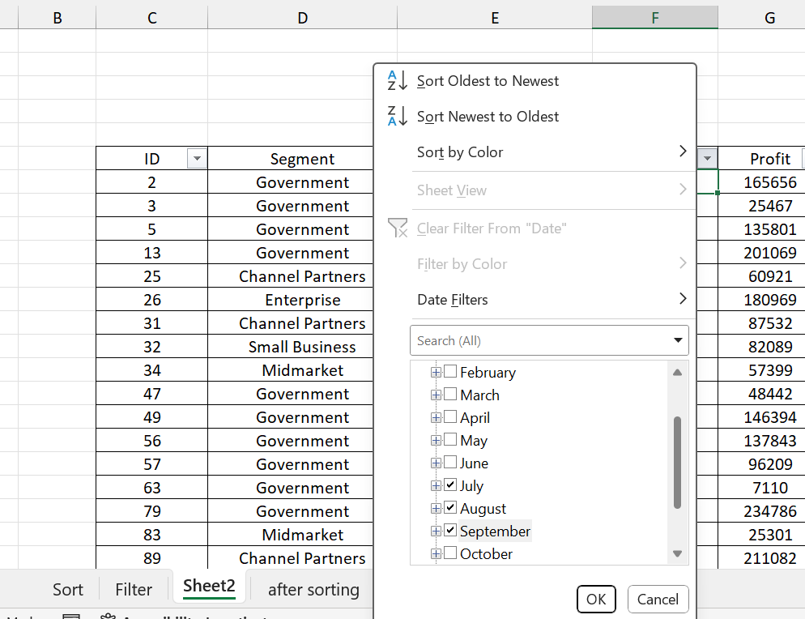
151 | Government | France | 2021-07-01 | 173616
168 | Small Business | France | 2021-07-01 | 185869
207 | Channel Partners | France | 2021-09-01 | 258051
248 | Government | France | 2021-07-01 | 89802
249 | Government | France | 2021-08-01 | 23250
257 | Government | France | 2021-08-01 | 7382
311 | Midmarket | France | 2021-07-01 | 176652

after sorting
ID | Segment | Country | Date | Profit
3331 | Channel Partners | Canada | 2021-06-01 | -39689
695 | Channel Partners | Canada | 2021-06-01 | -37886
526 | Channel Partners | Canada | 2021-08-01 | -34980
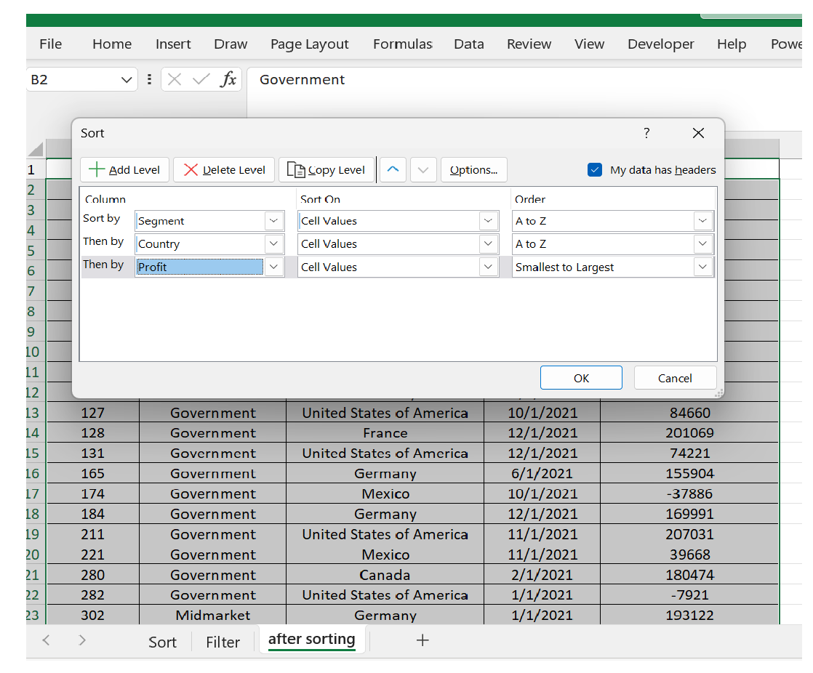
1746 | Channel Partners | Canada | 2021-01-01 | -21877
346 | Channel Partners | Canada | 2021-05-01 | -15140
1727 | Channel Partners | Canada | 2021-04-01 | -14202
405 | Channel Partners | Canada | 2021-12-01 | -11610
3127 | Channel Partners | Canada | 2021-12-01 | -7921
2715 | Channel Partners | Canada | 2021-11-01 | 259
329 | Channel Partners | Canada | 2021-09-01 | 1365
423 | Channel Partners | Canada | 2021-08-01 | 1519
2577 | Channel Partners | Canada | 2021-04-01 | 1661
1783 | Channel Partners | Canada | 2021-12-01 | 1696
3189 | Channel Partners | Canada | 2021-11-01 | 5187
1053 | Channel Partners | Canada | 2021-11-01 | 5652
1823 | Channel Partners | Canada | 2021-05-01 | 5850
2466 | Channel Partners | Canada | 2021-09-01 | 6105
1121 | Channel Partners | Canada | 2021-05-01 | 6256
3106 | Channel Partners | Canada | 2021-11-01 | 6345
1989 | Channel Partners | Canada | 2021-04-01 | 6460
2001 | Channel Partners | Canada | 2021-02-01 | 6845
688 | Channel Partners | Canada | 2021-03-01 | 7110
2475 | Channel Partners | Canada | 2021-03-01 | 7190
3307 | Channel Partners | Canada | 2021-06-01 | 7269
1706 | Channel Partners | Canada | 2021-04-01 | 7298
3224 | Channel Partners | Canada | 2021-01-01 | 7382
686 | Channel Partners | Canada | 2021-10-01 | 7819
3305 | Channel Partners | Canada | 2021-03-01 | 8406
2716 | Channel Partners | Canada | 2021-09-01 | 8463
1244 | Channel Partners | Canada | 2021-07-01 | 8675
1788 | Channel Partners | Canada | 2021-05-01 | 8721
451 | Channel Partners | Canada | 2021-09-01 | 8950
1743 | Channel Partners | Canada | 2021-01-01 | 9630
1782 | Channel Partners | Canada | 2021-03-01 | 9682
1048 | Channel Partners | Canada | 2021-01-01 | 10877
3122 | Channel Partners | Canada | 2021-07-01 | 11238
3379 | Channel Partners | Canada | 2021-09-01 | 11682
1024 | Channel Partners | Canada | 2021-08-01 | 12156
568 | Channel Partners | Canada | 2021-12-01 | 12709
1022 | Channel Partners | Canada | 2021-07-01 | 12894
2100 | Channel Partners | Canada | 2021-04-01 | 12909
3265 | Channel Partners | Canada | 2021-02-01 | 13179
1722 | Channel Partners | Canada | 2021-04-01 | 13328
3469 | Channel Partners | Canada | 2021-07-01 | 13845
1809 | Enterprise | Canada | 2021-07-01 | 15238
3423 | Enterprise | Canada | 2021-06-01 | 16452
3145 | Enterprise | Canada | 2021-01-01 | 17043
1045 | Enterprise | Canada | 2021-08-01 | 17150
3108 | Enterprise | Canada | 2021-07-01 | 17711
3295 | Enterprise | Canada | 2021-11-01 | 18670
2670 | Enterprise | Canada | 2021-12-01 | 19002
1332 | Enterprise | Canada | 2021-07-01 | 19225
2580 | Enterprise | Canada | 2021-04-01 | 20238
1377 | Enterprise | Canada | 2021-05-01 | 22003
2439 | Enterprise | Canada | 2021-12-01 | 22305
1210 | Enterprise | Canada | 2021-08-01 | 22746
2044 | Enterprise | Canada | 2021-05-01 | 22810
342 | Enterprise | France | 2021-01-01 | 22839
2744 | Enterprise | France | 2021-12-01 | 23010
2739 | Enterprise | France | 2021-10-01 | 23250
3498 | Enterprise | France | 2021-08-01 | 23560
1398 | Enterprise | France | 2021-08-01 | 24838
2423 | Enterprise | France | 2021-08-01 | 24879
1329 | Enterprise | France | 2021-07-01 | 25301
2009 | Enterprise | France | 2021-05-01 | 25467
1107 | Enterprise | France | 2021-03-01 | 25860
1353 | Enterprise | France | 2021-09-01 | 26172
2621 | Enterprise | France | 2021-05-01 | 26819
1307 | Enterprise | France | 2021-02-01 | 27137
2654 | Enterprise | France | 2021-02-01 | 27327
3399 | Enterprise | France | 2021-08-01 | 27542
636 | Enterprise | France | 2021-08-01 | 27849
1256 | Enterprise | France | 2021-06-01 | 28110
2455 | Enterprise | France | 2021-02-01 | 28289
659 | Enterprise | France | 2021-04-01 | 29435
3138 | Enterprise | France | 2021-11-01 | 30219
3443 | Enterprise | France | 2021-03-01 | 32352
1037 | Enterprise | France | 2021-12-01 | 33850
952 | Government | France | 2021-07-01 | 33876
949 | Government | France | 2021-12-01 | 34080
2352 | Government | France | 2021-06-01 | 34334
1505 | Government | France | 2021-10-01 | 35096
950 | Government | France | 2021-06-01 | 36046
825 | Government | France | 2021-06-01 | 36125
88 | Government | France | 2021-01-01 | 36547
3050 | Government | France | 2021-03-01 | 39271
3080 | Government | France | 2021-09-01 | 39494
819 | Government | France | 2021-05-01 | 39668
2839 | Government | France | 2021-11-01 | 39973
1653 | Government | France | 2021-07-01 | 40179
739 | Government | France | 2021-11-01 | 40778
1525 | Government | France | 2021-02-01 | 41318
805 | Government | France | 2021-02-01 | 42319
1415 | Government | France | 2021-12-01 | 44394
1675 | Government | France | 2021-04-01 | 47888
1488 | Government | France | 2021-02-01 | 48442
2925 | Government | France | 2021-07-01 | 48808
1624 | Government | France | 2021-05-01 | 51383
280 | Government | France | 2021-02-01 | 51626
3027 | Government | France | 2021-06-01 | 52513
1615 | Government | France | 2021-08-01 | 53266
870 | Government | France | 2021-11-01 | 54633
2136 | Government | France | 2021-05-01 | 55010
2916 | Government | France | 2021-04-01 | 55433
864 | Government | France | 2021-06-01 | 55991
3036 | Government | France | 2021-06-01 | 56810
2972 | Government | France | 2021-08-01 | 57399
1446 | Government | France | 2021-12-01 | 57755
2897 | Government | France | 2021-08-01 | 59423
33 | Government | France | 2021-03-01 | 59920
3094 | Government | France | 2021-01-01 | 60394
1636 | Government | France | 2021-04-01 | 60882
1572 | Government | France | 2021-07-01 | 60921
706 | Government | France | 2021-01-01 | 61230
2214 | Government | France | 2021-02-01 | 63494
2896 | Government | France | 2021-07-01 | 64755
803 | Government | France | 2021-07-01 | 65162
1429 | Government | France | 2021-06-01 | 67090
3085 | Government | France | 2021-02-01 | 71529
46 | Government | France | 2021-09-01 | 72086
796 | Government | France | 2021-06-01 | 73163
1537 | Government | France | 2021-01-01 | 73394
733 | Government | France | 2021-11-01 | 74022
2811 | Government | France | 2021-01-01 | 74093
27 | Government | Germany | 2021-10-01 | 74221
1540 | Government | Germany | 2021-06-01 | 74813
1686 | Government | Germany | 2021-07-01 | 75634
128 | Government | Germany | 2021-12-01 | 75969
2207 | Government | Germany | 2021-02-01 | 78549
979 | Government | Germany | 2021-06-01 | 81048
2259 | Government | Germany | 2021-12-01 | 81846
926 | Government | Germany | 2021-06-01 | 82089
1667 | Government | Germany | 2021-05-01 | 82968
38 | Government | Germany | 2021-03-01 | 84660
1489 | Government | Germany | 2021-05-01 | 85536
1583 | Government | Germany | 2021-02-01 | 86076
115 | Government | Germany | 2021-05-01 | 86142
2816 | Government | Germany | 2021-11-01 | 86186
1471 | Government | Germany | 2021-12-01 | 86220
2245 | Government | Germany | 2021-07-01 | 86460
2301 | Government | Germany | 2021-01-01 | 86843
3088 | Government | Germany | 2021-10-01 | 87460
1691 | Government | Germany | 2021-12-01 | 87532
165 | Government | Germany | 2021-06-01 | 89649
738 | Government | Germany | 2021-12-01 | 89802
2821 | Government | Germany | 2021-01-01 | 91931
1688 | Government | Germany | 2021-02-01 | 93656
184 | Government | Germany | 2021-12-01 | 95623
3051 | Government | Germany | 2021-09-01 | 95791
1668 | Government | Germany | 2021-01-01 | 96209
72 | Government | Germany | 2021-06-01 | 96983
174 | Government | Germany | 2021-10-01 | 98246
874 | Government | Germany | 2021-10-01 | 99343
2847 | Government | Germany | 2021-11-01 | 100486
2852 | Government | Germany | 2021-12-01 | 100956
842 | Government | Germany | 2021-08-01 | 102572
1567 | Government | Germany | 2021-02-01 | 103592
3093 | Government | Germany | 2021-10-01 | 104379
930 | Government | Germany | 2021-03-01 | 104422
221 | Government | Germany | 2021-11-01 | 105602
3099 | Government | Germany | 2021-06-01 | 108879
2176 | Government | Germany | 2021-04-01 | 109849
977 | Government | Germany | 2021-05-01 | 110965
1553 | Government | Germany | 2021-10-01 | 111998
8 | Government | Germany | 2021-06-01 | 112636
780 | Government | Germany | 2021-08-01 | 114470
2369 | Government | Germany | 2021-07-01 | 115261
858 | Government | Germany | 2021-03-01 | 117440
1590 | Government | Germany | 2021-10-01 | 121986
777 | Government | Germany | 2021-06-01 | 123287
1674 | Government | Germany | 2021-08-01 | 124153
2958 | Government | Germany | 2021-02-01 | 124717
2239 | Government | Germany | 2021-04-01 | 125616
1413 | Government | Germany | 2021-09-01 | 126174
1574 | Government | Germany | 2021-09-01 | 128249
1434 | Government | Germany | 2021-04-01 | 129328
893 | Government | Germany | 2021-02-01 | 130275
3059 | Government | Germany | 2021-07-01 | 130437
867 | Government | Germany | 2021-06-01 | 131983
113 | Government | Mexico | 2021-07-01 | 132363
762 | Government | Mexico | 2021-06-01 | 133951
282 | Government | Mexico | 2021-01-01 | 134107
748 | Government | Mexico | 2021-07-01 | 134977
2933 | Government | Mexico | 2021-01-01 | 135272
2390 | Government | Mexico | 2021-08-01 | 135311
2187 | Government | Mexico | 2021-09-01 | 135801
2913 | Government | Mexico | 2021-01-01 | 137705
3013 | Government | Mexico | 2021-05-01 | 137843
1531 | Government | Mexico | 2021-09-01 | 138473
2910 | Government | Mexico | 2021-07-01 | 139432
2184 | Government | Mexico | 2021-08-01 | 139728
131 | Government | Mexico | 2021-12-01 | 142596
2376 | Government | Mexico | 2021-04-01 | 142874
127 | Government | Mexico | 2021-10-01 | 145328
2333 | Government | Mexico | 2021-07-01 | 146394
111 | Government | Mexico | 2021-01-01 | 147727
1547 | Government | Mexico | 2021-12-01 | 149617
2862 | Government | Mexico | 2021-10-01 | 150851
894 | Government | Mexico | 2021-10-01 | 151084
2899 | Government | Mexico | 2021-11-01 | 151301
911 | Government | Mexico | 2021-06-01 | 152076
891 | Government | Mexico | 2021-02-01 | 152936
728 | Government | Mexico | 2021-04-01 | 154630
84 | Government | Mexico | 2021-04-01 | 155266
963 | Government | Mexico | 2021-09-01 | 155535
211 | Government | Mexico | 2021-11-01 | 155904
1526 | Government | Mexico | 2021-04-01 | 155980
3018 | Government | Mexico | 2021-11-01 | 156072
973 | Government | Mexico | 2021-07-01 | 157993
1683 | Government | Mexico | 2021-09-01 | 158679
2318 | Government | Mexico | 2021-12-01 | 159478
983 | Government | Mexico | 2021-10-01 | 159745
2881 | Government | Mexico | 2021-09-01 | 160752
2478 | Midmarket | Mexico | 2021-02-01 | 161110
403 | Midmarket | Mexico | 2021-07-01 | 161165
1903 | Midmarket | Mexico | 2021-12-01 | 161532
413 | Midmarket | Mexico | 2021-07-01 | 163127
3394 | Midmarket | Mexico | 2021-11-01 | 164464
594 | Midmarket | Mexico | 2021-12-01 | 165656
2655 | Midmarket | Mexico | 2021-04-01 | 165992
1253 | Midmarket | Mexico | 2021-02-01 | 166353
2033 | Midmarket | Mexico | 2021-10-01 | 166490
1396 | Midmarket | Mexico | 2021-08-01 | 166824
2642 | Midmarket | Mexico | 2021-02-01 | 168122
1975 | Midmarket | Mexico | 2021-04-01 | 169915
3294 | Midmarket | Mexico | 2021-02-01 | 169991
1019 | Midmarket | Mexico | 2021-11-01 | 173199
3454 | Midmarket | Mexico | 2021-04-01 | 173334
482 | Midmarket | Mexico | 2021-07-01 | 173392
3442 | Midmarket | Mexico | 2021-10-01 | 173616
1719 | Midmarket | Mexico | 2021-06-01 | 174302
3119 | Midmarket | Mexico | 2021-12-01 | 175018
2754 | Midmarket | Mexico | 2021-03-01 | 175220
2742 | Midmarket | Mexico | 2021-10-01 | 176652
1342 | Midmarket | Mexico | 2021-06-01 | 180474
1200 | Midmarket | Mexico | 2021-09-01 | 180969
2539 | Midmarket | Mexico | 2021-06-01 | 185869
3471 | Midmarket | Mexico | 2021-07-01 | 187979
1227 | Midmarket | Mexico | 2021-10-01 | 188860
1839 | Midmarket | Mexico | 2021-06-01 | 189847
2474 | Midmarket | Mexico | 2021-01-01 | 190517
3250 | Midmarket | Mexico | 2021-11-01 | 191293
1004 | Midmarket | Mexico | 2021-08-01 | 191733
2000 | Midmarket | Mexico | 2021-03-01 | 192728
2511 | Midmarket | Mexico | 2021-05-01 | 193122
2749 | Midmarket | United States of America | 2021-03-01 | 193691
3120 | Midmarket | United States of America | 2021-04-01 | 194150
2099 | Midmarket | United States of America | 2021-04-01 | 195638
1324 | Midmarket | United States of America | 2021-11-01 | 196137
302 | Midmarket | United States of America | 2021-01-01 | 198140
1774 | Midmarket | United States of America | 2021-01-01 | 200584
1912 | Midmarket | United States of America | 2021-02-01 | 201069
2735 | Midmarket | United States of America | 2021-07-01 | 201120
2561 | Midmarket | United States of America | 2021-02-01 | 201340
3312 | Midmarket | United States of America | 2021-04-01 | 203878
1191 | Midmarket | United States of America | 2021-02-01 | 207031
2619 | Midmarket | United States of America | 2021-08-01 | 208038
1084 | Midmarket | United States of America | 2021-12-01 | 208053
2407 | Midmarket | United States of America | 2021-08-01 | 209590
3103 | Midmarket | United States of America | 2021-03-01 | 210209
1269 | Midmarket | United States of America | 2021-09-01 | 210276
1776 | Midmarket | United States of America | 2021-04-01 | 210352
3450 | Midmarket | United States of America | 2021-07-01 | 211082
1296 | Midmarket | United States of America | 2021-01-01 | 213069
2486 | Midmarket | United States of America | 2021-12-01 | 213879
1011 | Midmarket | United States of America | 2021-08-01 | 214102
325 | Midmarket | United States of America | 2021-10-01 | 216458
3333 | Midmarket | United States of America | 2021-09-01 | 216555
3125 | Midmarket | United States of America | 2021-10-01 | 216695
1355 | Midmarket | United States of America | 2021-06-01 | 217075
3412 | Small Business | United States of America | 2021-02-01 | 217962
1115 | Small Business | United States of America | 2021-03-01 | 219148
1964 | Small Business | United States of America | 2021-01-01 | 219249
3361 | Small Business | United States of America | 2021-05-01 | 219774
3173 | Small Business | United States of America | 2021-08-01 | 220171
2778 | Small Business | United States of America | 2021-09-01 | 220591
2601 | Small Business | United States of America | 2021-05-01 | 221658
1112 | Small Business | United States of America | 2021-10-01 | 222162
1833 | Small Business | United States of America | 2021-04-01 | 223042
441 | Small Business | United States of America | 2021-12-01 | 223295
1829 | Small Business | United States of America | 2021-07-01 | 223894
2480 | Small Business | United States of America | 2021-12-01 | 225220
2705 | Small Business | United States of America | 2021-03-01 | 226327
681 | Small Business | United States of America | 2021-08-01 | 229197
3179 | Small Business | United States of America | 2021-03-01 | 229218
1381 | Small Business | United States of America | 2021-08-01 | 230726
2458 | Small Business | United States of America | 2021-07-01 | 231047
1079 | Small Business | United States of America | 2021-03-01 | 232025
2479 | Small Business | United States of America | 2021-09-01 | 232472
1285 | Small Business | United States of America | 2021-02-01 | 234786
3249 | Small Business | United States of America | 2021-06-01 | 235104
640 | Small Business | United States of America | 2021-04-01 | 236531
1709 | Small Business | United States of America | 2021-02-01 | 239368
2441 | Small Business | United States of America | 2021-10-01 | 240648
2549 | Small Business | United States of America | 2021-06-01 | 242254
2495 | Small Business | United States of America | 2021-06-01 | 242971
309 | Small Business | United States of America | 2021-08-01 | 244284
591 | Small Business | United States of America | 2021-12-01 | 244677
3159 | Small Business | United States of America | 2021-01-01 | 244904
3252 | Small Business | United States of America | 2021-07-01 | 245470
3440 | Small Business | United States of America | 2021-05-01 | 247286
492 | Small Business | United States of America | 2021-01-01 | 247904
1070 | Small Business | United States of America | 2021-01-01 | 248756
3287 | Small Business | United States of America | 2021-09-01 | 249705
1331 | Small Business | United States of America | 2021-12-01 | 252080
2537 | Small Business | United States of America | 2021-08-01 | 252387
3479 | Small Business | United States of America | 2021-05-01 | 254580
1260 | Small Business | United States of America | 2021-12-01 | 256329
1091 | Small Business | United States of America | 2021-10-01 | 256402
1848 | Small Business | United States of America | 2021-10-01 | 258051
2657 | Small Business | United States of America | 2021-04-01 | 258583
3268 | Small Business | United States of America | 2021-10-01 | 259896
1868 | Small Business | United States of America | 2021-01-01 | 261354

